Revision History
Revision # | Date of Change | Brief Summary of Change
A | 2025-06-30 | Initial Release

NOTICE
AEC documents contain material that has been prepared, reviewed, and approved through the AEC Technical Committee.
AEC documents are designed to serve the automotive electronics industry through eliminating misunderstandings between manufacturers and purchasers, facilitating interchangeability and improvement of products, and assisting the purchaser in selecting and obtaining with minimum delay the proper product for use by those other than AEC members, whether the standard is to be used either domestically or internationally.
AEC documents are adopted without regard to whether or not their adoption may involve patents or articles, materials, or processes. By such action AEC does not assume any liability to any patent owner, nor does it assume any obligation whatever to parties adopting the AEC documents. The information included in AEC documents represents a sound approach to product specification and application, principally from the automotive electronics system manufacturer viewpoint. No claims to be in Conformance with this document shall be made unless all requirements stated in the document are met.
Inquiries, comments, and suggestions relative to the content of this AEC document should be addressed to the AEC Technical Committee on the link http://www.aecouncil.com.
Published by the Automotive Electronics Council.
This document may be downloaded free of charge, however AEC retains the copyright on this material. By downloading this file, the individual agrees not to charge for or resell the resulting material.
Printed in the U.S.A. All rights reserved
Copyright © 2024 by the Automotive Electronics Council. This document may be freely reprinted with this copyright notice. This document cannot be changed without approval from the AEC Component Technical Committee.

CDC Instructions
AEC Q100 (Integrated Circuit) Certificate of Design and Construction (CDC) Template
General
1 | This template should be used by a supplier to document the design and construction of a component supplied to automotive customers containing one or multiple ICs. This information documents the construction of an IC tested to AEC (Automotive Electronics Council) AEC-Q100 qualification requirements.
2 | This document does not cover discretes, passives, modules or other components not covered by AEC-Q100. Neither does it cover advanced packaging (such as 3D) at this time. This will be an area for future improvement
3 | This template can be downloaded from the AEC website at http://www.aecouncil.com.
4 | These instructions can be printed for reference and should fit on 2 pages of A4/Letter sized paper.
5 | All fields should be completed as fully as possible. Each data entry cell has an associated note giving specific instructions on the format of the field (TEXT, NUMBER, DROP-DOWN, OTHER, ETC.). If an item cannot be answered because it does not apply, it should be filled as "Not Applicable". If it is not available for proprietary or other reasons, it should be filled as "Unavailable". If a NUMBER/INTEGER field cannot be answered, leave blank or enter '0'.
6 | This template contains an 'Overview - Signatures' tab that should be always be completed any time this template is used. This cover page should summarize the supplier, main component information, number of die included, other high level component information, and name of person who verified the information.

Instructions for use
1 | This template is password protected to ensure non data entry fields cannot be changed.
2 | The document was created with the intent to be machine readable.
3 | When filling out this template, the 'Overview - Signatures' tab should be completed along with the 'Q100 - Primary Die+Pkg' tab. If the product contains multiple different die each additional unique die must have a 'Q100 - Die Index x' tab. Additional extra tabs can be added as needed.
4 | The Overview tab includes a 'Document Purpose' Field. This should be used to document why this CDC was created (e.g., PPAP, customer request, general purpose).
5 | This template was created to allow for multiple manufacturing locations for each process as long as the resulting component is consistent between sites. This means the BOM (bill of materials) must be the same between sites. If different BOMs are used, each BOM set requires it's own CDC document.
6 | When listing information on site locations, Dun & Bradstreet (dnb) data should be used. Visit https://www.dnb.com/duns-number.html or https://www.dnb.com/de-de/upik-en/contact-upik/ to look up a manufacturing site DUNS number. If the user does not know how to utilize the search feature, contact Dun & Bradstreet or Tier 1 customer for assistance in identifying a DUNS number. If a site has no DUNS number, a street address can be used as an alternative.
7 | When printing a final version, all tabs containing data should be included, creating a single output document. This is done by holding <CNTRL> or <SHIFT> while selecting the desired tabs.
8 | It is recommended that the preparer save the output as a PDF document since this is an accepted viewing format that works for combining in PPAPs. Tier 1 customers may request an Excel format to assist with machine readability. ONLY use '*.xlsx' format to ensure macros are not enabled. (NOTE: NO macros are included in this template. Only pull down menus and notes)

9 | A cross-section representation (diagram) showing process structures is requested to describe basic process structures. Previously, this was requested as "Die Cross-Section Photo/Drawing". (representation should provide context to IC construction and complexity) Generic example shown below:
 | 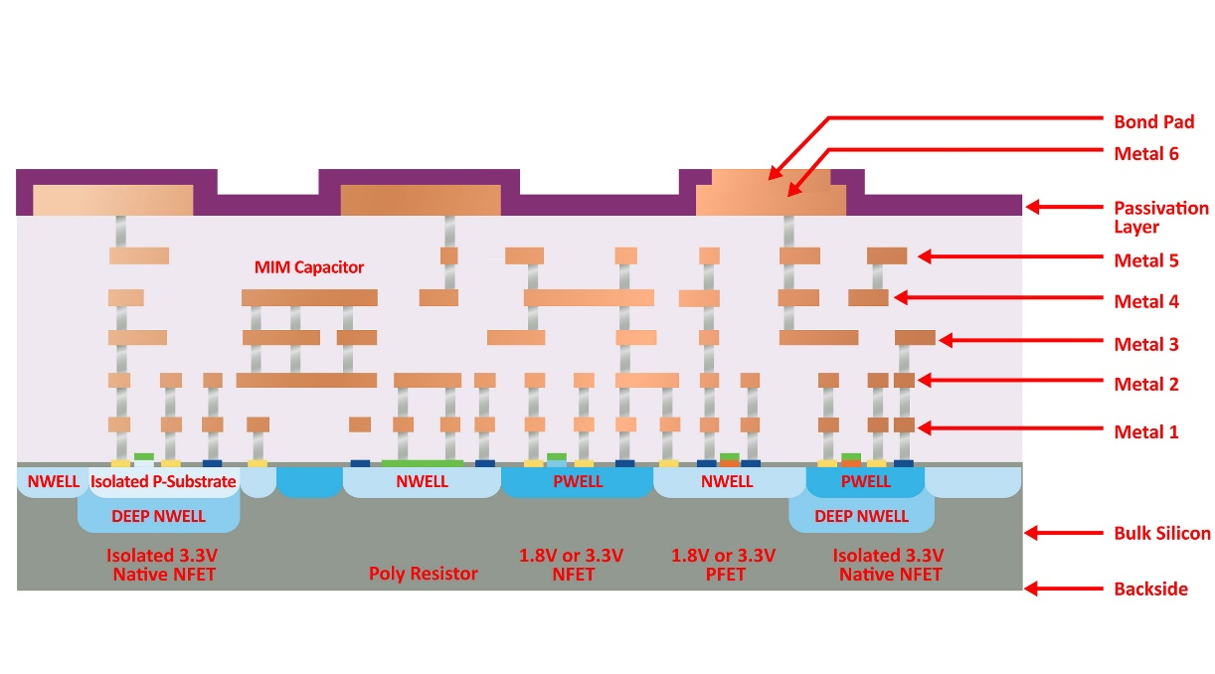

10 | Top view die diagram/photo showing major blocks is requested to highlight die orientation and major circuit blocks. Previously, this was requested as "Die Photo". Generic example shown below:
 | 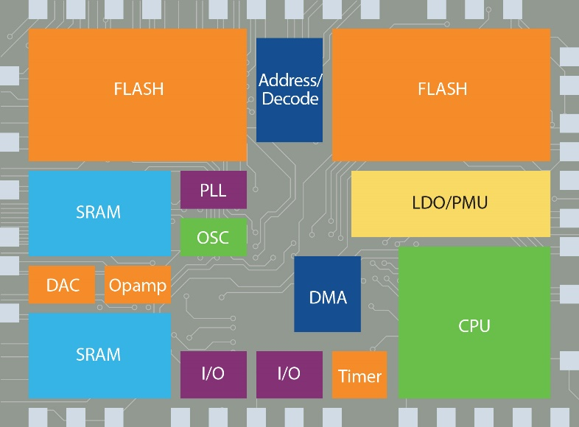

11 | Package Assembly Diagram showing device construction is requested to show die placement and package connections (wires, solder or similar). Previously, this information was requested as Wire Bonding Diagram / Die Placement Diagram. Generic example shown below: (Graphic can be X-ray or diagram)
 | 